아두이노 핀맵
 | ATMEGA328P

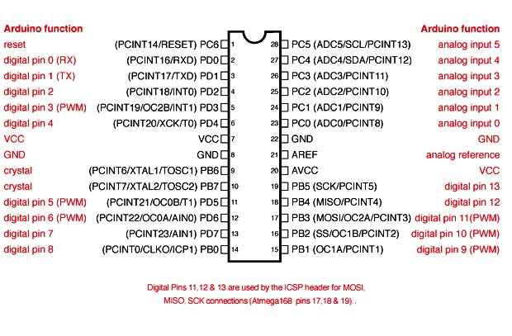

 |  | Infrared Distance Sensor SCL_PIN3 Connection
 |  | Infrared Distance Sensor SDA_PIN2 Connection
 |  | Step Motor_LEFT, RIGHT Pin1
 |  | Step Motor_LEFT, RIGHT Pin2
 |  | Step Motor_LEFT, RIGHT Pin3
 |  | Step Motor_LEFT, RIGHT Pin4

 |  | ISP_SCK
Step Motor_TOP, BOTTOM Pin1 |  | ISP_MISO
Step Motor_TOP, BOTTOM Pin2 |  | ISP_MOSI
Step Motor_TOP, BOTTOM Pin3 |  | Bluetooth_RX
Step Motor_TOP, BOTTOM Pin4 |  | Bluetooth_TX

